BQL Query
Fibonacci Retracements

Equity Ticker | NVDA US Equity

Retracement Level | Retracement From Top? (%) | Comment

Fib Level 1 | 23.6 | Very Weak Discount
Fib Level 2 | 38.2 | Weak Discount
Fib Level 3 | 50 | Medium Discount
Fib Level 4 | 61.8 | Strong Discount
Fib Level 5 | 78.6 | Very Strong Discount

let() | Let(#data=dropna(px_last(Dates=range(-2y,0d,frq=d))).value; #CurrentWeeklyClose=round(last(matches(#data,dayofweek(#data().date)==6)),2); #WeekHigh=round(max(matches(#data,dayofweek(#data().date)==6)),2); #WeekLow=round(min(matches(#data,dayofweek(#data().date)==6)),2); #Difference=#WeekHigh-#WeekLow; #FibLossPotential=round(replacenonnumeric(((#CurrentWeeklyClose/#WeekLow)-1),0),2)+'x'; #ReturnPotential=round(replacenonnumeric(((#WeekHigh/#CurrentWeeklyClose)-1),0),2)+'x'; #L1Retracement=ROUND(#WeekHigh-((#L1/100)*#Difference),4); #L2Retracement=ROUND(#WeekHigh-((#L2/100)*#Difference),4); #L3Retracement=ROUND(#WeekHigh-((#L3/100)*#Difference),4); #L4Retracement=ROUND(#WeekHigh-((#L4/100)*#Difference),4); #L5Retracement=ROUND(#WeekHigh-((#L5/100)*#Difference),4); #FullRetracement=ROUND(#WeekHigh-(1*#Difference),4); #Discount=if(#CurrentWeeklyClose>#L2Retracement,#L1Comment,if(#CurrentWeeklyClose>#L3Retracement,#L2Comment,if(between(#CurrentWeeklyClose,#L3Retracement,#L4Retracement), #L3Comment,if(#CurrentWeeklyClose>#L5Retracement,#L4Comment,if(between(#CurrentWeeklyClose,#L5Retracement,#FullRetracement),#L5Comment,0))))); #Country=country_full_name().value; #Name=Name().value;)

get() | get(Name,#Country,#WeekLow,#CurrentWeeklyClose,#WeekHigh,#FibLossPotential,#ReturnPotential,#Discount)

for() | for(filter(peers(#ticker),IN(#Discount,[#L4Comment,#L5Comment])))

ID | Name | #Country | #WeekLow | #CurrentWeeklyClose | #WeekHigh | #FibLossPotential | #ReturnPotential | #Discount
INTC US Equity | Intel Corp | UNITED STATES | 25.14 | 33.25 | 55.7 | 0.32x | 0.68x | Strong Discount
002049 CH Equity | Unigroup Guoxin Microelectroni | CHINA | 87.06 | 91.11 | 166.43 | 0.05x | 0.83x | Very Strong Discount
QCOM US Equity | QUALCOMM Inc | UNITED STATES | 103.62 | 110.32 | 188.69 | 0.06x | 0.71x | Very Strong Discount
2454 TT Equity | MediaTek Inc | TAIWAN | 551 | 694 | 1150 | 0.26x | 0.66x | Strong Discount
603986 CH Equity | GigaDevice Semiconductor Inc | CHINA | 82.99 | 89.1 | 176.49 | 0.07x | 0.98x | Very Strong Discount

Resources
 | Resources

Bloomberg

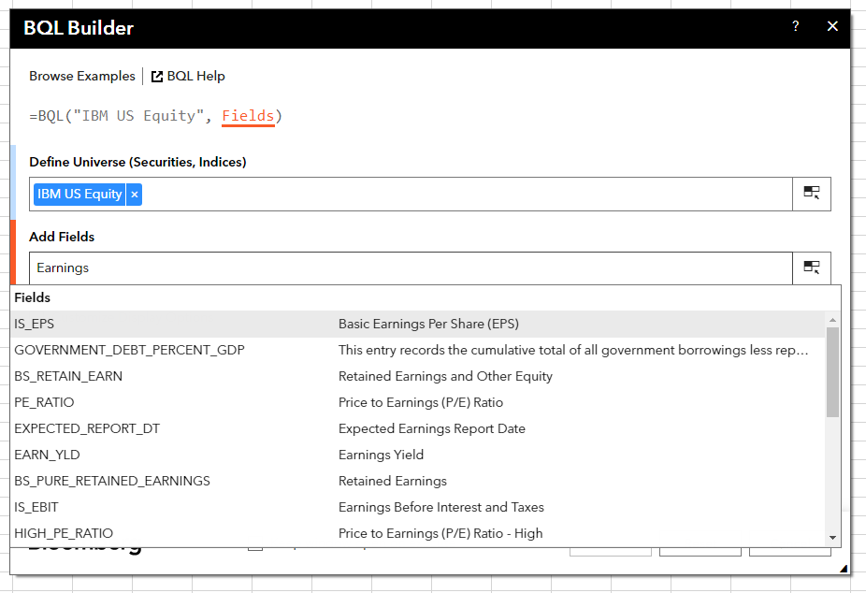
 | Bloomberg Ribbon: BQL Builder + BQL Query Editor
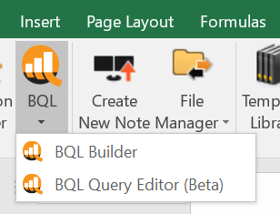

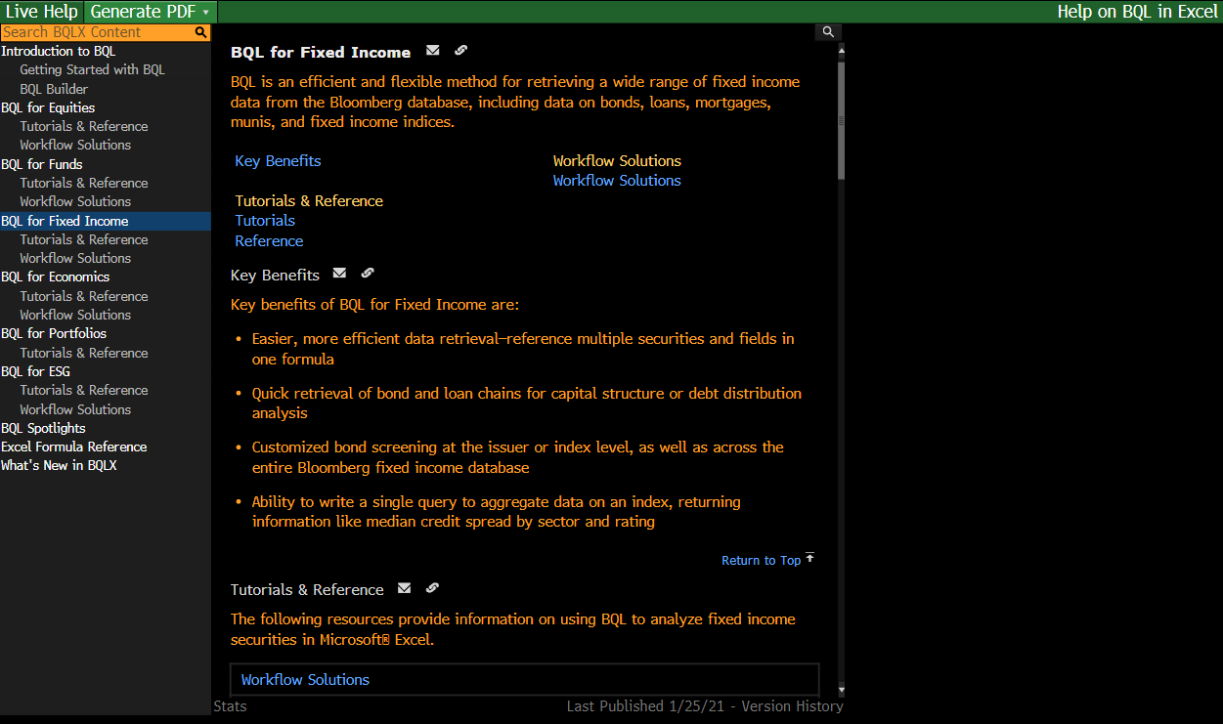
 | BQLX <GO> for HELP Page

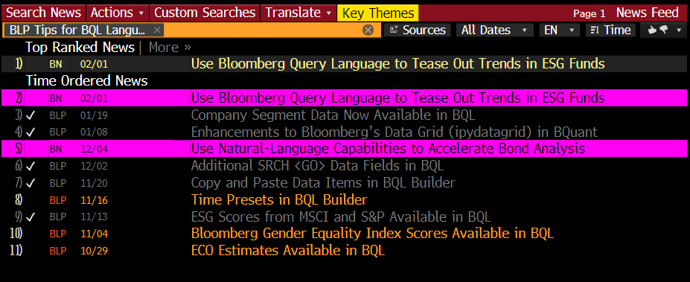
 | NI BLPBQL <GO>
 | Please subscribe it from "Actions" at the top -> Set Alert Delivery

